Aircon Appn
 | DeCaIon Questionnaire for Aircon Application |  |  |  | ABC Pte Ltd |  | Confidential
 |  |  |  | Date: |  |  | Remarks

1 | Chiller operating hours |  |  |  |  | h/d
 | Chiller operating days |  |  |  |  | d / year

2 | ( Chiller + Tower ) or Evap Condenser |  | WCPU,if any | Chiller | C.Tower |  | * WCPU = Water Cooled Package Unit
 | Unit rated capacity,max |  |  |  |  | RT / unit
 | Unit(s) on duty |  |  |  |  | Units | * RT = Refrigeration Ton
 | % average operating load |  |  |  |  | % | * 1 RT = 3.516 kW
 |  |  |  |  |  |  | * kW/RT = 3.516 / COP
3 | Chiller data |  |  | Now | When New
 | Chiller efficiency @ 100% load |  |  |  |  | kW / RT

 | Chiller Age |  |  |  |  | Years

C.Tower
T3
Condenser
Liquid refrigerant ,T5
C.Tower out
T2
Cooling Water
T1
T4
4 | Temperature data @ above % chiller operating load |  |  |  | Now | New
 |  |  |  | Location | Temp oC | Temp oC
 |  |  | T1 | C.Tower -in
 |  |  | T2 | C.Tower -out
 |  |  | T3 | Condenser-in
 |  |  | T4 | Condenser-out
 |  |  | T5 | Liquid Rfgt

 |  |  |  | CAT | Now | When New | CAT = Condenser Approach Temp
 |  |  |  | T5-T4
 | oC = (F-32) x 5/9 |  |  | % load,ave

5 | Cooling Tower
 | Cooling Tower water flowrate (recirculation) |  |  |  |  | m3/h
 | Cycle Of Concentration (COC ) |  |  |  |  | Cycles | COC = Makeup water vol / Water discharged
 | Cooling Water blow-down |  |  |  |  | m3/h
 | Cooling tower make-up |  |  |  |  | m3/h

6 | Water analysis |  |  | Makeup H2O | Recir H2O |  | Recir (Recirculation) water = cooling water
 | pH |  |  |  |  |  | ppm = mg / liter
 | Total Hardness | ppm as CaCO3
 | Ca2+ | ppm as CaCO3
 | Mg2+ | ppm as CaCO3
 | M.Alkalinity | ppm as CaCO3
 | Cl- | as Cl
 | SO4= | as SO4
 | SiO2 | as SiO2
 | Conductivity | uS/cm
 | TDS | ppm

7 | Treatment chemicals used ( if any ) |  | Enter Local Currency | S$ |  | per mth

8 | Condenser tube yearly cleaning + maintenance cost |  |  |  |  | per year

9 | Electricity cost (average) |  |  |  |  | per kWH

10 | Water cost ( average ) |  |  |  |  | per m3

11 | Chiller/Cooling Tower and configuration flow schematic
 | Pse attach a sketch with this Questionnaire

Ind Appns
 | Questionnaire for Industrial Application |  |  | ABC Pte Ltd |  |  | Confidential
 |  |  | Date |  |  |  | Remarks

1 | Cooling operating hours |  |  |  |  | h/d
 | Annual operating days |  |  |  |  | d /year

2 | ( Chiller + Tower ) or Evap Condenser |  |  | Chiller | C.Tower
 | Unit rated capacity,max |  |  |  |  | RT/unit
 | Unit(s) on duty |  |  |  |  | Units
 | % average operating load |  |  |  |  | %

3 | Chiller data (if any) |  |  | Now | When New
 | Chiller efficiency @ 100% load |  |  |  |  | kW/RT

 | Chiller Age |  |  |  |  | Years

4 | Purpose of cooling (pse tick)
 | [ ] Production machines cooling |  | [ ] Others
 | [ ] Compressors cooling

5 | Process schematic | If process is different from this,please provide a sketch

Pump B
Pump A
A2
B3
E
A 1
B2
Compressors
cooling
Production
machines
cooling
C.Tower
Chiller ,if any
A3
Coolant Temp A4
Coolant Temp B4
Chiller, if any
C
D

B 1

6 | Water Temparature data [ oC = (oF-32) x 5/9 ]
 | For production machines
 | * Condenser (if any) inlet temp |  |  | A1 |  | oC
 | * Condenser outlet temp/Production machine inlet temp |  |  | A2 |  | oC
 | * Production machine outlet temp |  |  | A3 |  | oC
 | * Saturated Refregirant (if any) temp |  |  | A4 |  | oC

 | For compressor cooling
 | * Condenser (if any) inlet temp |  |  | B1 |  | oC
 | * Compressor cooling inlet temp |  |  | B2 |  | oC
 | * Compressor cooling outlet temp |  |  | B3 |  | oC
 | * Saturated Refregirant (if any) temp |  |  | B4 |  | oC

 | For cooling tower
 | * Cooling Tower inlet temp |  |  | C |  | oC
 | * Cooling Tower inlet temp |  |  | D |  | oC
 | * Cooling Tower outlet temp |  |  | E |  | oC

7 | Cooling Tower
 | Cooling Tower water flowrate (recirculation) |  | US gpm ÷ 4.4 = m3/h |  |  | m3/h
 | Cycle Of Concentration (COC ) |  |  |  |  | Cycles
 | Cooling Water blow-down |  |  |  |  | m3/h
 | Cooling tower make-up |  |  |  |  | m3/h

8 | Water analysis (ppm as CaCO3 where applicable) |  |  | Make up H2O | Cooling H2O
 | pH
 | Total Hardness | ppm as CaCO3
 | Ca2+ | ppm as CaCO3
 | Mg2+ | ppm as CaCO3
 | M.Alkalinity | ppm as CaCO3
 | Cl- | as Cl
 | SO4= | as SO4
 | SiO2 | as SiO2
 | Conductivity | uS/cm
 | TDS | ppm

9 | Treatment chemicals used ( if any ) |  | Enter Currency | S$ |  | per mth

10 | Condenser tube yearly cleaning + maintenance cost |  |  |  |  | per year

11 | Electricity cost (average) |  |  |  |  | per kWH

12 | Water cost |  |  |  |  | per m3

13 | Flow schematic if different from the above
 | Pse attach a sketch with this Questionnaire

Std chiller
A Standard Chiller (Evaporator + Condenser) System
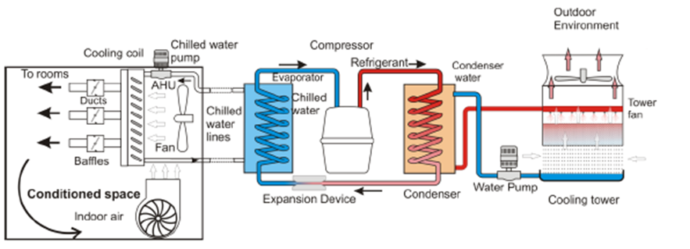
T1
T2
T3
T4
T5
CAT = T5-T4

Now compare this with WCPU in the next worksheet

WCPU
Water Cooled Package Unit (WCPU)
There is NO chilled water loop in a WCPU.

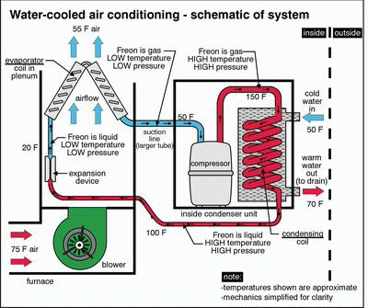
From Cooling Tower
T3
To Cooling Tower
T4
CAT = T5-T4

T5
T5

